Sheet1
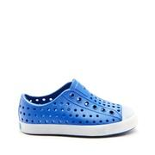
SOLE_134102

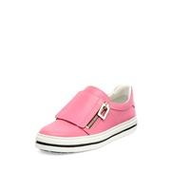
NEIMAN_prod182660049

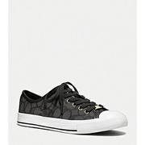
BONTON_951860

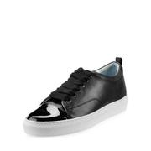
BDGM_prod118310062

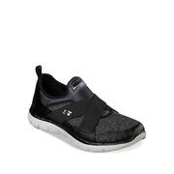
LAT_0500047362587

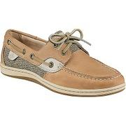
MOOSEJAW_10308521

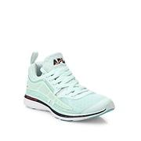
SAKS_0400091885877

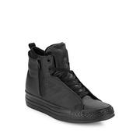
LAT_0500044264919

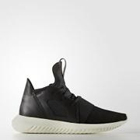
ADIDAS_IUP58

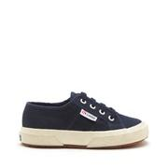
SOLE_132606

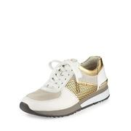
NEIMAN_prod187600010

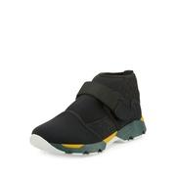
BDGM_prod120530079

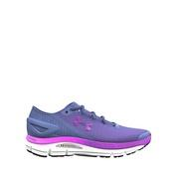
LAT_0500088972898

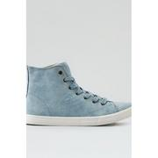
AEGL_7412_9267

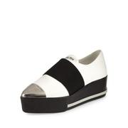
BDGM_prod118290017

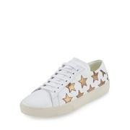
BDGM_prod118810028

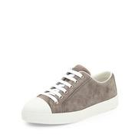
NEIMAN_prod190920827

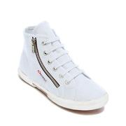
LAT_0500079447520

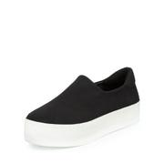
BDGM_prod109530044

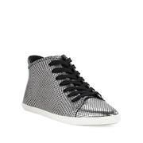
LAT_0500083655001

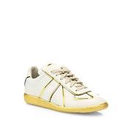
SAKS_0400092166229

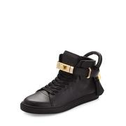
NEIMAN_prod184020168

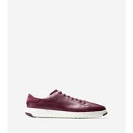
COLEHAAN_W05567

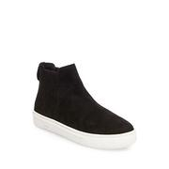
LAT_0500046877833

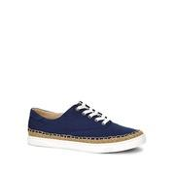
LAT_0500088399019

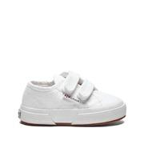
SOLE_142756

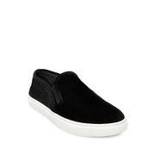
LAT_0500046710828

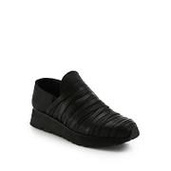
SAKS_0400088855111

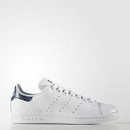
ADIDAS_BEX01

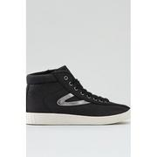
AEGL_7412_9268

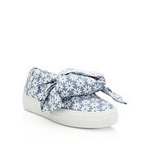
SAKS_0400089146288

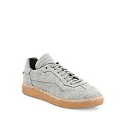
SAKS_0400090370681

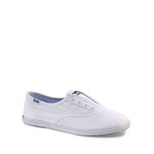
LAT_0500043259662

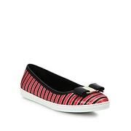
SAKS_0400089991661

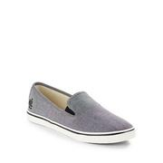
LAT_0500081970667

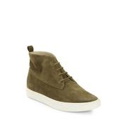
LAT_0500042834960

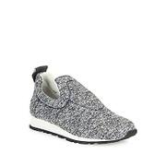
SAKS_0400089648782

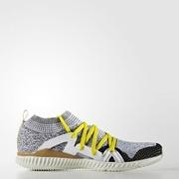
ADIDAS_KDX22

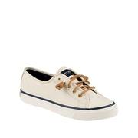
LAT_0500075291211

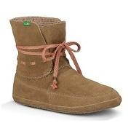
MOOSEJAW_10264541

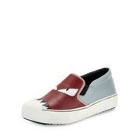
BDGM_prod117960009

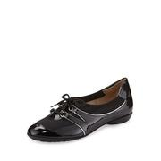
NEIMAN_prod187150078

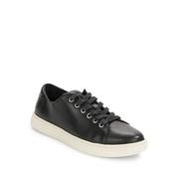
LAT_0500087843991

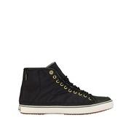
LAT_0500080887656

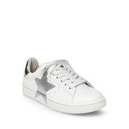
LAT_0500046267209

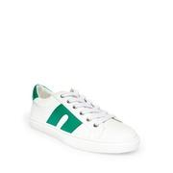
LAT_0500043067214

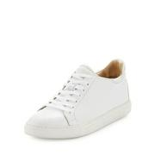
BDGM_prod118490109

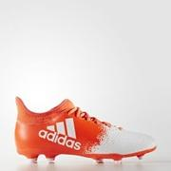
ADIDAS_KDV53

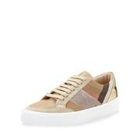
NEIMAN_prod190630008

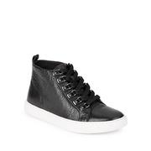
LAT_0500045706926


LAT_0500042833095


MOOSEJAW_10252371


NEIMAN_prod165490224


LAT_0500089058507


LAT_0500089293609


LAT_0500080332430


LAT_0500043820158


NEIMAN_prod183650008


NEIMAN_prod190300229


BDGM_prod118200065


NEIMAN_prod190770332


ADIDAS_IUS94


LAT_0500080926405


LAT_0500043835313


LAT_0500089618672


SAKS_0400089202379


SAKS_0400090640535


NEIMAN_prod179190455


LAT_0500082804725


LAT_0500046608741


COLEHAAN_W02203


NEIMAN_prod189750147


LAT_0500042157958


SAKS_0400088992189


SAKS_0400089822816


LAT_0500047555297


NEIMAN_prod188870049


LAT_0500088050463


NEIMAN_prod189950019


NEIMAN_prod189840085


LAT_0500042092999


KSPADE_S287686RO


LAT_0500084651330


COLEHAAN_W05551


ADIDAS_BEH45


COLEHAAN_W02500


LAT_0500084840560


MOOSEJAW_10035835


SOLE_132808


BDGM_prod118490190


LAT_0500089325930


BDGM_prod118850041


LAT_0500088670500


SOLE_143991


BDGM_prod118490182


LAT_0500046560348


BDGM_prod120370050


LAT_0500084595198


LAT_0500084788835


NEIMAN_prod181000027


LAT_0500082595307


LAT_0500086680840


SAKS_0400089197219


BDGM_prod120350226


MOOSEJAW_10280172


LAT_0500046607206


SAKS_0400089202281


SAKS_0400087004774


SAKS_0400090777230


LAT_0500042091207


BDGM_prod108620084


MOOSEJAW_10289633


LAT_0500041187642


LAT_0500083313585


LAT_0500083802710


AEGL_7412_9271


LAT_0500089101240


LAT_0500045438124


SAKS_0400088908584


MOOSEJAW_10242673


SAKS_0400089666128


MOOSEJAW_10326911


MOOSEJAW_10321600


NEIMAN_prod183770273


LAT_0500044572253


SOLE_150252


LAT_0500080836125


MOOSEJAW_10289468


NEIMAN_prod189460398


LAT_0500089716112


BDGM_prod120410052


BDGM_prod118490040


LAT_0500046769774


SOLE_145422


AEGL_7412_9178


NEIMAN_prod190580180


NEIMAN_prod189370013


NEIMAN_prod168280164


LAT_0500043692565


BDGM_prod120680014


SOLE_132277


ADIDAS_CFN65


SAKS_0400090493378


SOLE_132557


AVON_54967


ADIDAS_KDV23


NEIMAN_prod183640027


NEIMAN_prod189590531


BDGM_prod118490187

